Cover page
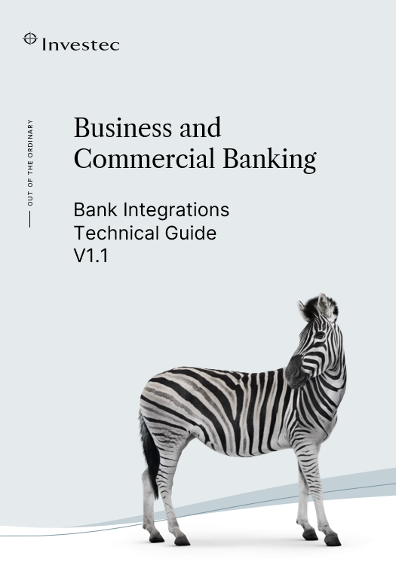

Contact
For any queries please email BankIntegrations@investec.com or your Integration Manager

Disclaimer
Investec Business and Commercial Banking, a division of Investec Bank Limited. Reg. No. 1969/004763/06. An authorised financial services provider (FSP No. 11750). Investec is committed to the Code of Banking Practice as regulated by the National Financial Ombud Scheme.
Copies of the Code and the Ombudsman's details are available here

Version History
v1.0 | Release of Bank Integrations Technical guide | May 2026
v1.1 | Include Proof / Notification of payment and Benficiary ID tags in the PAIN001 message Update account table in payment guidelines | August 2026

Direct API
API development integration information

Gateway Information
Traffic between the client and Investec will move via HTTPS through the Investec gateway Host: - openapisandbox.investec.com - openapistg.investec.com - openapi.investec.com

Developer Portal information
We provide a Developer Portal available for use by ICIB clients at the following URL: https://developer.investec.com/za/api-products/documentation/SA_CIB_Account_Information All our OpenAPI Specification documents are available on the Developer Portal. Instructions on how to Authenticate and which methods to use can be found on the Developer Portal as well as our Sandbox and sample request information. This API is used to extract Investec ICIB client Transaction history data based on the client account number. To use the API a set of Client Credential keys needs to be obtained during the on-boarding process with your Integration Manager.

API Operations
Investec for business currently exposes the following API endpoints:
Authentication
This endpoint is used git open API tokens and follows the bearer token autherisation scheme OpenAuth
Payments Initiation
This endpoint is used by the client to initiate single or bulk payments
Payment Status
This endpoint is used to get the status of the payment request
Accounts Enquiry
This endpoint is used by the client to do balance inquiries and or retrieve account information
Transactions History
This endpoint is used to retrieve the transaction history based on a specified date range

Payment Message Flow

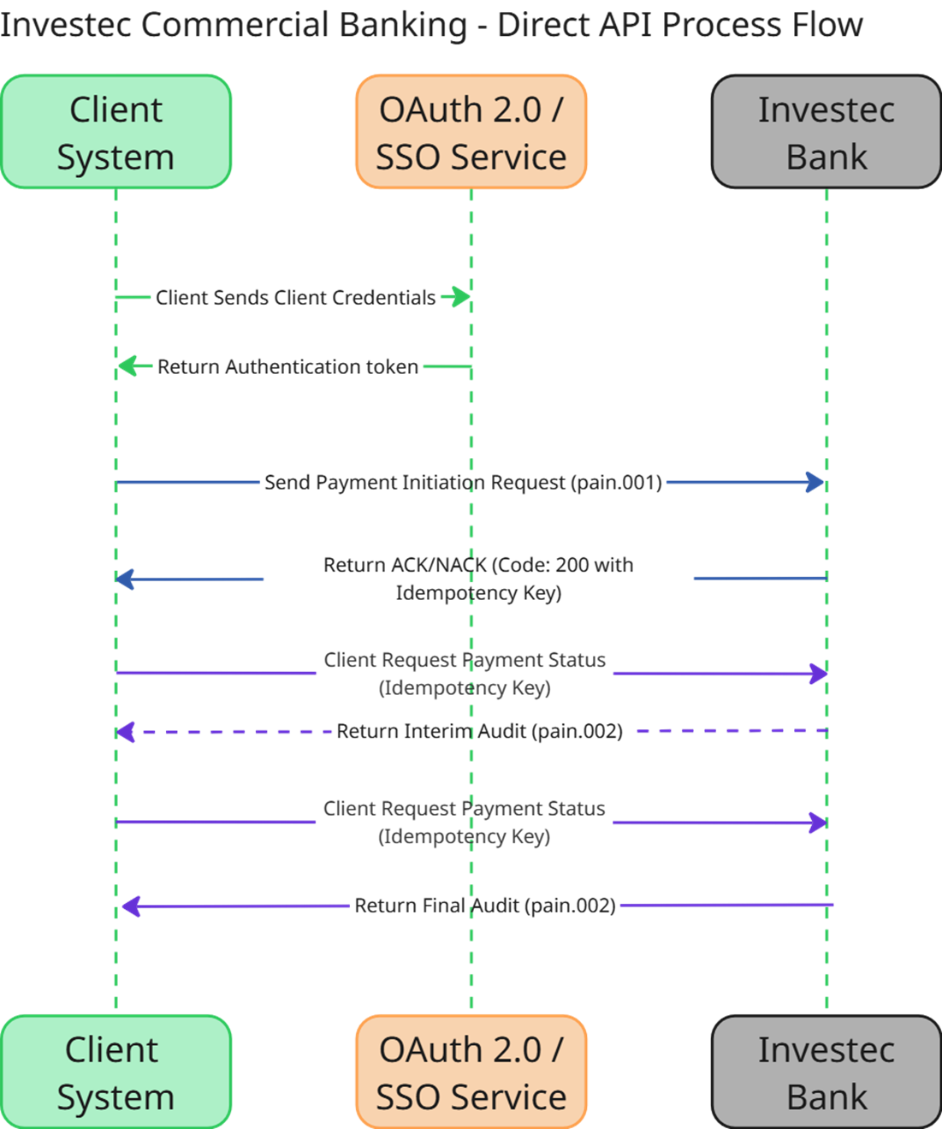

 | Message received. Authorisation and payload (schema and scope) validation (Accepted 200 response, Rejected 4xx error)

 | Stage 1. Validations. Initial status of the transaction

 | Stage 2. Status of the transaction (confrmation that transaction has been sent to industry for processing)

Authentication
OpenAuth
Open Authentication (Oauth) s an open-standard authorization protocol or framework that provides applications the ability for “secure designated access.” It is a way for users to grant websites or applications access to their information without giving away their passwords.

Investec currently supports two Authentication methods:
OAuth 2.0 An industry-standard authorization framework that enables applications to securely access user data on other services without sharing passwords. It uses scoped access tokens, providing limited, delegated access for web, mobile, and desktop applications. It is defined by RFC 6749. Submit request in the context of your api key and secret.
3 Legged OAuth: An authorization flow where a user (resource owner) grants a third-party application (client) access to their data on a service (resource server) without sharing their credentials. It involves three parties—user, client, and authorization server—and typically uses the Authorization Code flow to securely exchange authorization codes for access tokens. Submit api requests in the context of an authorised user

To start using the Investec for Intermediaries API, you'll need API credentials.
- Create a new API key (x-api-key) with the scopes you want it to access.
- For 3 Legged OAuth we request that you reach out to us
- For OAuth 2 you can setup using your Investec Online Profile. Optionally, use the OAuth-2 - Sandbox account and credentials to generate mock responses to test your applications. You can use the Sandbox account without the need to open an Investec account.

Payments Initiation Operation
A client can initiate a single payment instruction or a bulk file for processing directly from their internal system (such as an ERP, treasury, or accounting system) via the API.
The request payload should contain the payment information according to the ISO20022 Pain.001 standard.
The payload should also be encoded in Base64.

Payment Types
EFT Credits
RTGS
PAYSHAP
Internal Transfers

Payment Status Operation
A client can query the Investec Status API to confirm the status of the payment i.e. confirm receipt of payment, confirm processing completed or rejected.
A client can receive real-time updates (via polling)

Accounts / Balance Enquiry Operation
To obtain the current balance information use a combination of the available balance and the balance fields returned in the accounts Json response.
Please note that the “availableBalance” and “balance” values will be the exact values as is at the time of the request.
Please note the “balance” value is the Ledger / Book balance and the “availableBalance” is as stated the balance available to move money at time of request from the requested account.
Security
- Security Scheme: Bearer token authentication is used for this API.

Transaction History Operation
A client can request a view of all transactions processed on their account for a specified period. This can be used for operational or reconciliation purposes.
- Endpoint: /za/bb/v2/accounts/{accountId }/transactions
Please note - the account ID value is the system assigned value not the actual account number this is usually a 2 to 3 digit number that can be retrieved from your integration manager.
This value is obtained from the previous account request. The value used is accountId

API Policies
Rate limiting
We defiine HTTP traffic as Attended or Unattended as per below definitions:
Attended traffic: Human is involved in the data flow i.e. Payments are sent via HTTP traffic but manual approval is necessary on the IBOL system. Another example is when a user may manually use a tool to do HTTP Requests to the API to extract transaction history.
Unattended traffic: A human is not present in any way as per straight-through-processing (STP) and data flows inter-system without any manual intervention in the process.
All inbound request (attended or non-attended) operations are throttled to accept 100 requests per second.

Throughput Rate Limits
Throughput rate limits are measured in transactions per second (TPS).
An example would be a batch of 1500 transactions sent to Investec as the payload for a single request.
The 1500 transactions may be received in 2 seconds but processed by the bank in 10 seconds which would give it a bank-side throughput rate of 10 TPS as an example.

Payload size
The investec API gateway will not allow a single request with a payload larger then 10 megabytes.

Payload encryption
All payment initiation requests must encrypt the body of the requests using base64 encryption

Idempotency
- Idempotency keys are used in the header requests to correlate bulk or single transactions throughout the payment initiation process as well as retrieving transaction status.
- This Idempotency key must be unique on a permanent basis.
- The idempotency key can be any alpha-numeric string value.

Retry policy |  | HTTP Status Code(s)
Clients are advised to employ exponential backoff retry policy's which involves increasing the wait time between retries exponentially (e.g. 1s, 2s, 4s, 8s). |  | 408 (Request Timeout) | Classification | Retry | Recommendation & Suggested Retry Strategy
Clients can also introduce jitter which is a random variation in the wait time, this approach helps to distribute retry attempts over time reducing server load and contention. |  | 429 (Too Many Requests) | Server/client timeout | Yes | The server didn’t respond in time. Retry may succeed soon.
Configure retry logic to respond to transient server-side errors, such as: |  | 500 (Internal Server Error) | Rate limiting | Yes (with delay) | Server advises back off. Retry after Retry‑After header if present.
HTTP 408: Request Timeout |  | 502 (Bad Gateway) | Server-side failure | Yes (optional) | Often transient; retries may help.
HTTP 429: Too Many Requests (respect the Retry-After header) |  | 503 (Service Unavailable) | Gateway/proxy upstream error | Yes | Likely temporary. Retry after a delay.
HTTP 500–504: Server errors |  | 504 (Gateway Timeout) | Server overloaded/down | Yes (with delay) | Retry after waiting, respect retry-after header
Avoid retrying on client-side errors (e.g., 400 Bad Request, 401 Unauthorized), as these are unlikely to succeed upon retry. |  | Other 5xx codes (501, 505...) | Upstream provider didn’t respond | Yes | Retry may succeed once upstream recovers.
Maximum Retries |  | 4xx client errors (400, 401, 403, 404, 405, etc.) | Various server-side conditions | No* | Often require server-side fixes; retrying unlikely to help.
The maximum amount of retries allowed should not be more than 10 attempts within a 5 minute period. |  |  | Client request issue | No | Retry without fixing the request won’t help.

Maximum Duration
The maximum duration of a single request should not exceed the time limit of 300 seconds

Retry Guidance Matrix
* Some 5xx codes might be transient and could merit a retry, but for clarity and safety, the default is no retry unless explicitly noted as safe or standard best practice.

